Sheet1
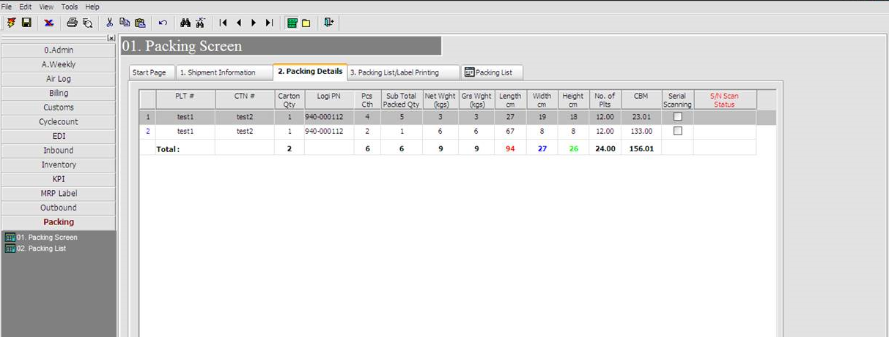
 | WMS Pack module

1) Current pack module very complicate & time consuming to perform data entry of packing details in system.
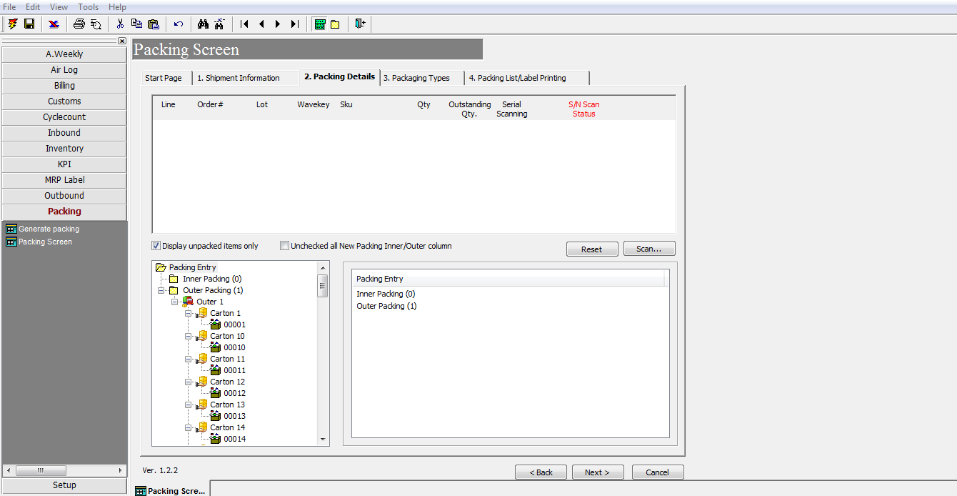

2) To simplify the current pack module to a user friendly version.

